DASHBOARD
ROHIT SHARMA CENTURY ANALYSIS

CENTURY BY COUNTRY

CENTURY BY POSITION
 | Total
1 | 30
2 | 13
4 | 2
6 | 3
 | Total
Afghanistan | 2
Australia | 9
Bangladesh | 3
England | 7
New Zealand | 2
Pakistan | 2
South Africa | 7
Sri Lanka | 8
West Indies | 7
Zimbabwe | 1
MAX -AUS,
SRI
OPEN-43
OTHER-5

CENTURY BY FORMAT
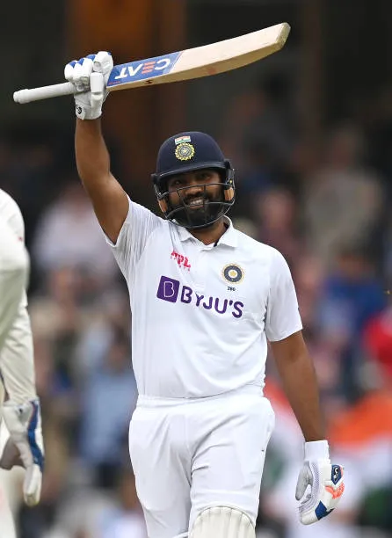
CENTURY BY CAPTAINCY

 | Total
ODI | 31
T20 | 5
Test | 12
TEST-12
ODI -31
T20-5
 | Total
No | 37
Yes | 11
11-YES
37-NO

CENTURY BY MATCH RESULT
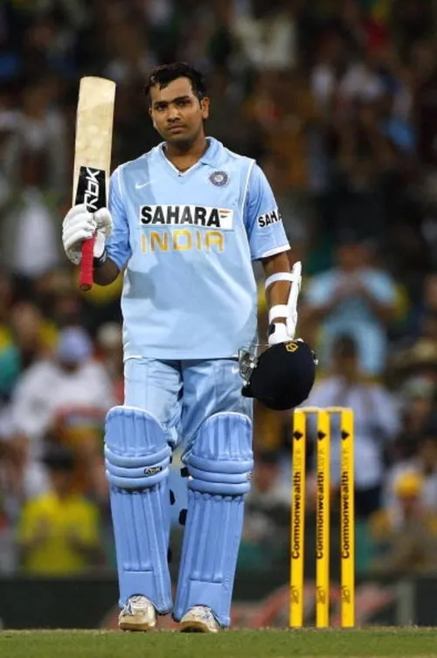
CENTURY BY YEAR

 | Total
Lost | 8
Won | 39
Won | 1
 | Total
2010 | 3
2013 | 72
2014 | 5
2015 | 65
2016 | 19
2017 | 160
2018 | 188
2019 | 283
2020 | 29
2021 | 77
2023 | 142
2024 | 133
 | Total
2010 | 2
2013 | 4
2014 | 1
2015 | 4
2016 | 2
2017 | 8
2018 | 7
2019 | 10
2020 | 1
2021 | 2
2023 | 4
2024 | 3

CENTURY BY MONTH
CENTURY BY STRIKE RATE

 | Total
Jan | 7
Feb | 4
Mar | 2
May | 2
Jun | 4
Jul | 5
Aug | 2
Sep | 2
Oct | 11
Nov | 6
Dec | 3
 | Total
ODI | 113.17774194
T20 | 194.18
Test | 65.34

CENTURY BY VENUE

 | Total
Away | 13
Home | 27
Neutral | 8
H-27 (56%)
A-13(27%)
N-8(17%)

CLICK TO GO TO INSIGHTS

INSIGHTS
INSIGHTS

1. ROHIT IS MORE SUCCESSFULIN IN HOME VENUES SPECIALLY IN MUMBAI.
2.THROUGH SOME KIND OF ASTROLOGICAL REASONS ROHIT IS MORE SUCCESSFUL IN MONTH OF OCTOBER.
3.ROHIT SHARMA WAS MORE SUCCESSFUL AS A PLAYER THAN A CAPTAIN.
4.HIS BATTING SUCCESS SKYROCKETED AS A OPENER.
5.2019 WAS HIS MILESTONE YEAR.

